PieChart
Lynne's Reality-Spending Pie
Categories

Savings | $- | #DIV/0! | 72FC2F
Housing | $- | #DIV/0! | E6B8B7
Insurance, Protect My Assets | $- | #DIV/0! | 89A54E
Other Expenses | $- | #DIV/0! | CC75D6
Utilities | $- | #DIV/0! | 76D5EB
Transportation | $- | #DIV/0! | FCD73D
Debt Payments | $- | #DIV/0! | 93A9CF
Food | $- | #DIV/0! | 17F9EB
Entertainment | $- | #DIV/0! | EB0000
Periodic Expenses | $- | #DIV/0!

 | $-

 |  | #DIV/0!

 |  |  |  | End of the Month* | $0.00

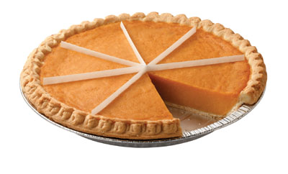
My Other
My Savings
My House
My Insurance
My Utilities
My Debt Payments
My End of the Month Money
My
Transportation
My Food
My
Entertainment

